Diagrams
BMS5F Temperature
 | Unprotected beam | Protected beam | Slab
0 | 20 | 20 | 20
1 | 349.21366576 | 250.44956603 | 168.14614959
2 | 444.50487788 | 317.15341451 | 211.02719504
3 | 502.28930299 | 357.60251209 | 237.03018635
4 | 543.88730926 | 386.72111648 | 255.74928917
5 | 576.41043057 | 409.4873014 | 270.38469376
6 | 603.11764761 | 428.18235333 | 282.40294142
7 | 625.77682521 | 444.04377764 | 292.59957134
8 | 645.45510804 | 457.81857563 | 301.45479862
9 | 662.84638674 | 469.99247072 | 309.28087403
10 | 678.42733151 | 480.89913206 | 316.29229918
11 | 692.53955229 | 490.7776866 | 322.64279853
12 | 705.43624832 | 499.80537383 | 328.44631174
13 | 717.31030818 | 508.11721573 | 333.78963868
14 | 728.312063 | 515.8184441 | 338.74042835
15 | 738.56095276 | 522.99266693 | 343.35242874
16 | 748.15345005 | 529.70741504 | 347.66905252
17 | 757.16859567 | 536.01801697 | 351.72586805
18 | 765.67196077 | 541.97037254 | 355.55238235
19 | 773.71854363 | 547.60298054 | 359.17334463
20 | 781.35492723 | 552.94844906 | 362.60971725
21 | 788.62091309 | 558.03463916 | 365.87941089
22 | 795.55077689 | 562.88554383 | 368.9978496
23 | 802.1742463 | 567.52197241 | 371.97841083
24 | 808.51727161 | 571.96209013 | 374.83277222
25 | 814.60263981 | 576.22184787 | 377.57118791
26 | 820.45046871 | 580.3153281 | 380.20271092
27 | 826.07860818 | 584.25502572 | 382.73537368
28 | 831.50296875 | 588.05207812 | 385.17633594
29 | 836.73779275 | 591.71645493 | 387.53200674
30 | 841.79587969 | 595.25711578 | 389.80814586
31 | 846.68877475 | 598.68214232 | 392.00994864
32 | 851.42692755 | 601.99884928 | 394.1421174
33 | 856.01982651 | 605.21387856 | 396.20892193
34 | 860.47611323 | 608.33327926 | 398.21425095
35 | 864.80368037 | 611.36257626 | 400.16165617
36 | 869.00975575 | 614.30682903 | 402.05439009
37 | 873.10097501 | 617.17068251 | 403.89543876
38 | 877.08344457 | 619.9584112 | 405.68755006
39 | 880.96279645 | 622.67395752 | 407.4332584
40 | 884.74423618 | 625.32096533 | 409.13490628
41 | 888.43258479 | 627.90280935 | 410.79466316
42 | 892.0323158 | 630.42262106 | 412.41454211
43 | 895.5475878 | 632.88331146 | 413.99641451
44 | 898.98227336 | 635.28759135 | 415.54202301
45 | 902.33998466 | 637.63798926 | 417.0529931
46 | 905.62409632 | 639.93686743 | 418.53084335
47 | 908.83776582 | 642.18643607 | 419.97699462
48 | 911.98395168 | 644.38876618 | 421.39277826
49 | 915.06542988 | 646.54580092 | 422.77944345
...

BMS5F Vertical Displacements
 | Node 86 | Node 101 | Node 8 | Node 195 | Central node
0 | -0.1386575557 | -0.1386575557 | -0.20438066158 | -0.20438066158 | -0.42405295884
0 | -0.27739144321 | -0.27739144321 | -0.4088533204 | -0.4088533204 | -0.84831828921
0 | -0.41620160501 | -0.41620160501 | -0.61341812997 | -0.61341812997 | -1.2727955043
0 | -0.55508799912 | -0.55508799912 | -0.81807528901 | -0.81807528901 | -1.6974842092
0 | -0.69405058453 | -0.69405058453 | -1.0228249958 | -1.0228249958 | -2.1223840106
0 | -0.8330893163 | -0.8330893163 | -1.2276674484 | -1.2276674484 | -2.5474945049
0 | -0.97220415045 | -0.97220415045 | -1.432602844 | -1.432602844 | -2.9728152901
0 | -1.1113950423 | -1.1113950423 | -1.6376313797 | -1.6376313797 | -3.3983459614
0 | -1.2506619466 | -1.2506619466 | -1.842753252 | -1.842753252 | -3.8240861118
0 | -1.3900048173 | -1.3900048173 | -2.0479686571 | -2.0479686571 | -4.2500353317
0.125 | -3.9329617795 | -3.9340718797 | -8.7439461463 | -8.7470863746 | -18.417586826
0.25 | -4.9030830493 | -4.9060322791 | -12.796952323 | -12.804728703 | -25.703229254
0.375 | -5.7231070864 | -5.7249512305 | -15.806238503 | -15.809823455 | -31.309583243
0.5 | -6.4093488838 | -6.4111787353 | -18.168478724 | -18.172184184 | -35.857525545
0.625 | -6.9905920319 | -6.9924859668 | -20.134032143 | -20.138066393 | -39.666603383
0.75 | -7.4959069803 | -7.4979009576 | -21.822301893 | -21.826777463 | -42.95425658
0.875 | -7.940301901 | -7.9424113319 | -23.305022596 | -23.309685189 | -45.834790125
1 | -8.3419158469 | -8.3440750221 | -24.625956254 | -24.630789736 | -48.436484621
1.5 | -9.6513916332 | -9.6537931145 | -28.811652635 | -28.816301742 | -56.727780448
2 | -10.637565028 | -10.640308067 | -31.959939187 | -31.964998077 | -62.832531157
3 | -12.117417685 | -12.121440144 | -36.570878628 | -36.569190374 | -71.564648681
4 | -13.194025356 | -13.198401997 | -39.950826261 | -39.947929303 | -77.820800795
5 | -14.047253422 | -14.052006081 | -42.581225321 | -42.577859736 | -82.473796582
6 | -14.7610634 | -14.766190635 | -44.67122073 | -44.667099588 | -86.043456352
7 | -15.379821472 | -15.385201766 | -46.46067126 | -46.455275739 | -89.008366332
8 | -15.947796552 | -15.953220775 | -47.999505195 | -47.993227078 | -91.440413887
9 | -16.462521436 | -16.467942756 | -49.340833306 | -49.333369675 | -93.558952681
10 | -16.932894479 | -16.938197316 | -50.457670463 | -50.449072013 | -95.464553202
11 | -17.368782981 | -17.373997188 | -51.350390423 | -51.340540256 | -97.29270698
12 | -17.770839767 | -17.775969098 | -52.19528574 | -52.18446434 | -99.189659552
13 | -18.275455029 | -18.280656145 | -53.610224657 | -53.598473996 | -101.50182613
14 | -18.766970982 | -18.768338875 | -54.998918711 | -54.987152818 | -103.79443252
15 | -19.229611727 | -19.230423132 | -56.326227525 | -56.313310079 | -106.01762229
16 | -19.66152717 | -19.661698795 | -57.57557621 | -57.56196129 | -108.1887316
17 | -20.087636563 | -20.087376625 | -58.588314376 | -58.574476955 | -109.22719252
18 | -20.506607648 | -20.513327139 | -59.525293181 | -59.508685282 | -110.10501793
19 | -20.91941866 | -20.920897626 | -60.433950729 | -60.417379464 | -111.02755551
20 | -21.315772655 | -21.32394127 | -61.342612845 | -61.328420722 | -112.00194378
21 | -21.705456919 | -21.715451645 | -62.219605544 | -62.218273366 | -113.04949506
22 | -22.086981683 | -22.097258713 | -63.085961943 | -63.077142721 | -114.16706267
23 | -22.466086519 | -22.476448157 | -64.019792513 | -64.020434257 | -115.15897763
24 | -22.835707397 | -22.849051082 | -65.067923399 | -65.057418352 | -115.90550115
25 | -23.202705756 | -23.218335589 | -66.1152626 | -66.100146389 | -116.6576795
26 | -23.566616809 | -23.581454791 | -67.16292138 | -67.144966743 | -117.40720739
27 | -23.932716283 | -23.946149286 | -68.216031742 | -68.189881659 | -118.17315748
28 | -24.290574413 | -24.301632355 | -69.266393623 | -69.242394241 | -118.94179653
29 | -24.647547983 | -24.662520331 | -70.324225935 | -70.313467768 | -119.79422758
30 | -25.005923589 | -25.024486631 | -71.40145887 | -71.401484355 | -120.73141884
31 | -25.377270947 | -25.395101805 | -72.524227404 | -72.538246881 | -121.75420421
32 | -25.715522133 | -25.734591286 | -73.3652649 | -73.463811074 | -122.83169055
...

BMS5F Axial force at central-node
 | Beam 17 | Beam 50
0 | -21115.286198 | -20867.757513
0 | -42244.732262 | -41749.505971
0 | -63388.316714 | -62645.22492
0 | -84546.012902 | -83554.888365
0 | -105717.79435 | -104478.47049
0 | -126903.63398 | -125415.94489
0 | -148103.50471 | -146367.28514
0 | -169317.37924 | -167332.46462
0 | -190545.23011 | -188311.45654
0 | -211787.02967 | -209304.23393
0.125 | 189785.09888 | 190798.1959
0.25 | 426908.68579 | 427776.10833
0.375 | 579998.72155 | 580640.94132
0.5 | 686895.23364 | 687423.77407
0.625 | 768610.54252 | 769080.82428
0.75 | 828102.85443 | 828579.05541
0.875 | 874340.87926 | 875003.67447
1 | 889168.18246 | 890414.94002
1.5 | 872713.0356 | 874366.35921
2 | 877451.42345 | 879084.32328
3 | 732871.73115 | 731754.23555
4 | 729895.01315 | 729533.76171
5 | 708034.08826 | 708195.96223
6 | 668693.48332 | 669175.85415
7 | 631820.26892 | 632513.93973
8 | 588876.74197 | 589630.09141
9 | 546188.88605 | 546966.69424
10 | 509281.93593 | 510087.35719
11 | 470317.68169 | 471150.01917
12 | 436883.54257 | 437733.76887
13 | 412123.60031 | 412979.74156
14 | 388853.97436 | 389716.0066
15 | 366037.90004 | 366924.42613
16 | 343591.80935 | 344567.55046
17 | 317077.7026 | 318131.02587
18 | 289246.69965 | 290356.53731
19 | 262419.85382 | 263625.48148
20 | 242035.22248 | 243288.60225
21 | 224105.21235 | 225457.66919
22 | 206776.52911 | 208194.5154
23 | 191805.86691 | 193256.30605
24 | 180019.89985 | 181468.67173
25 | 168596.08601 | 170105.55634
26 | 157654.91931 | 159218.93177
27 | 147065.03484 | 148701.16257
28 | 136622.58479 | 138429.3247
29 | 125458.56415 | 127421.93187
30 | 114603.30118 | 116658.09331
31 | 103913.63166 | 106037.2572
32 | 93283.20037 | 95709.425012
...

Deflected shape
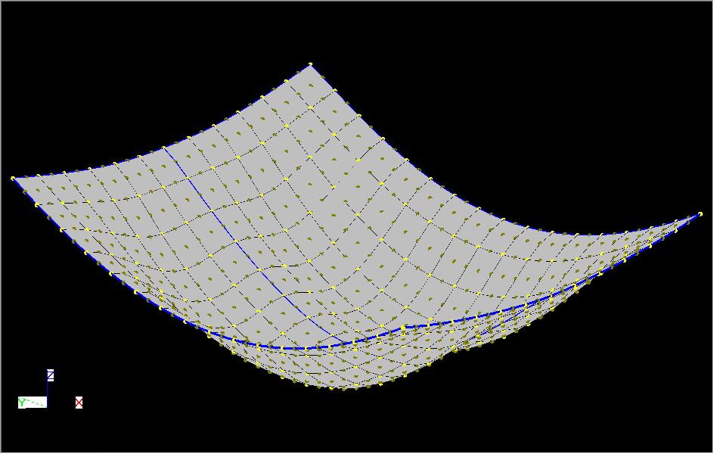
BMS5 - Fine

NB. This displacments shown above are scale by a factor of 10 in all direction.

